Readme
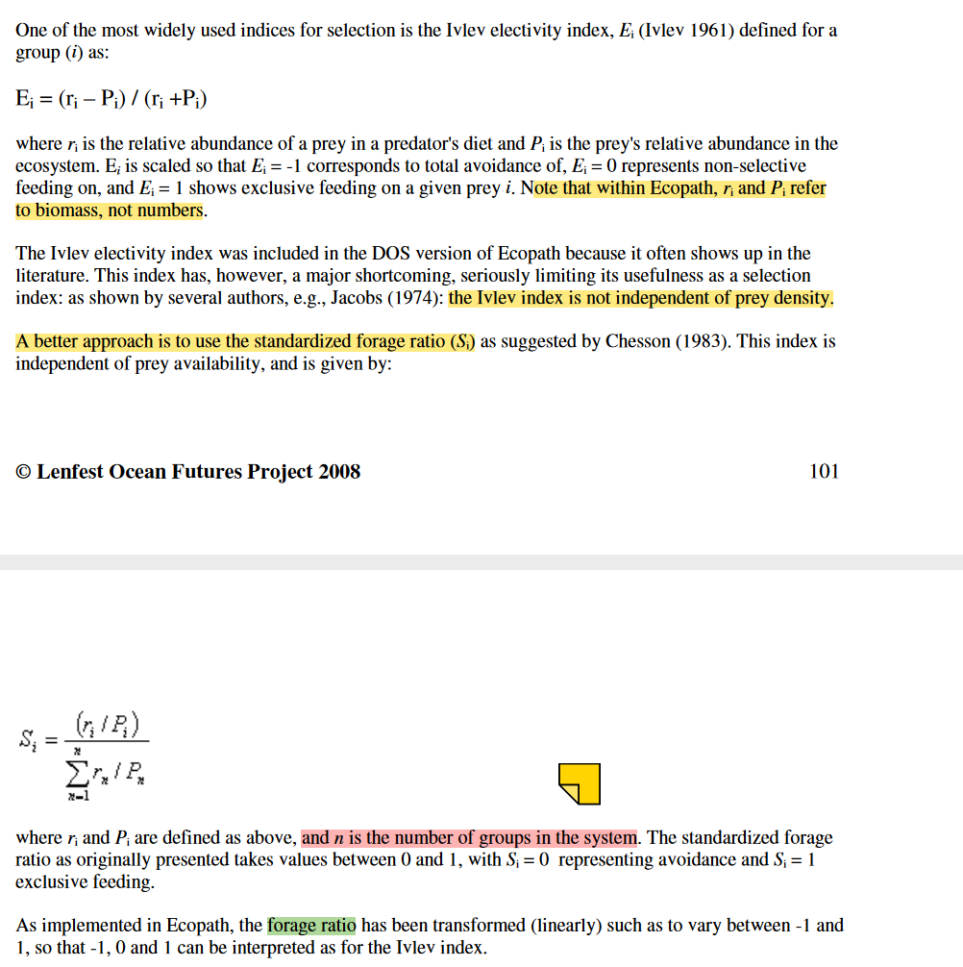
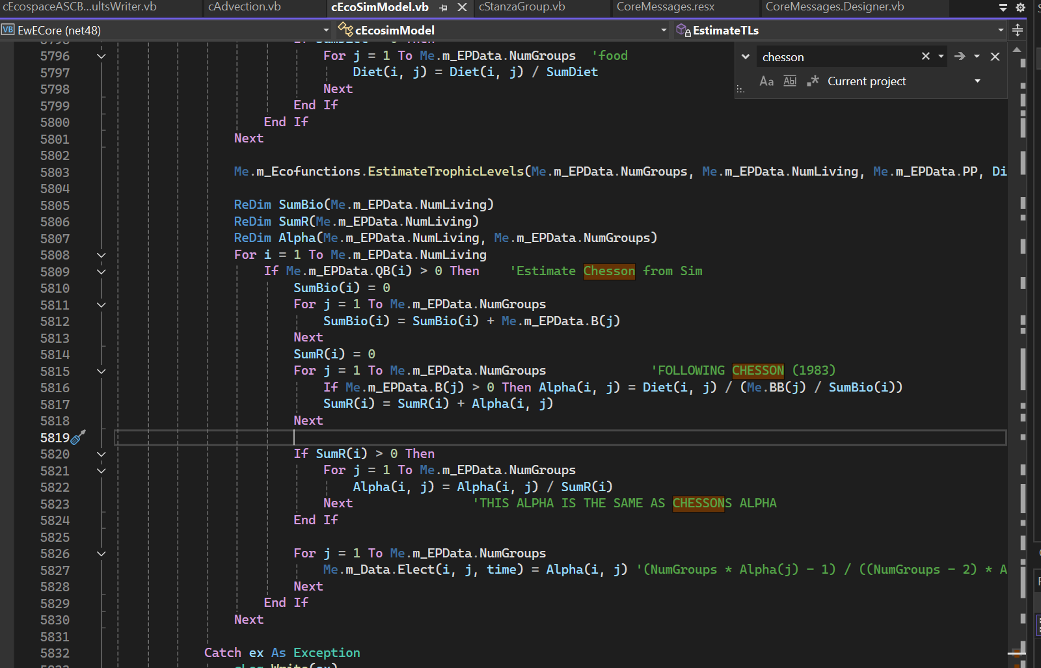
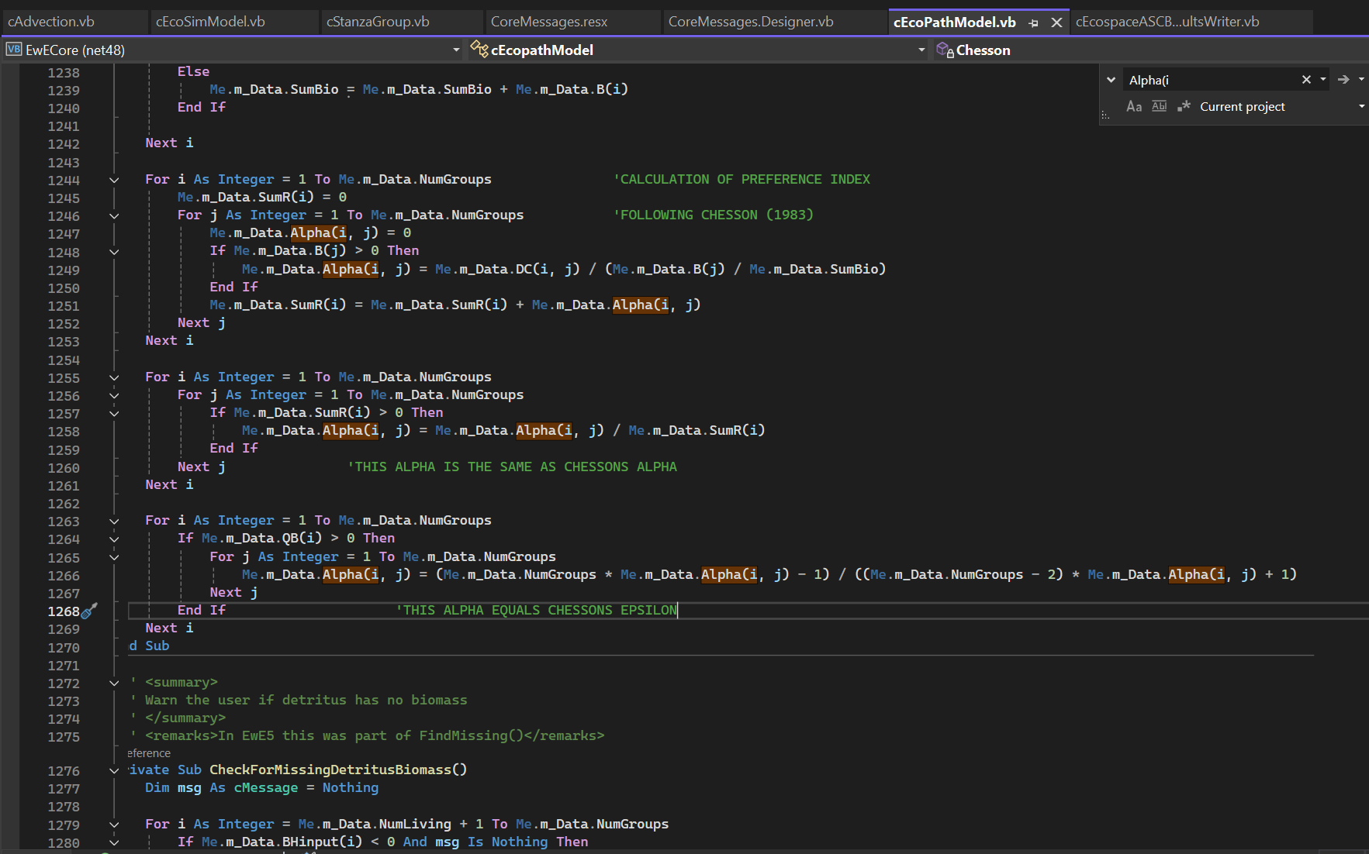
Created Jan, 2025 by GO to replace the many electivity spreadsheets.

Purpose
Creates initial diet estimates based on equalising a version of the Chesson electivity index (used in EwE as an indicator)
The method here allows diets based on Chesson using both user-applied weightings and rescaling Chesson idx based on actual potential prey (rather than all functional groups' B)
Especially helpful when no diet data are available but we know either the prey items, possibly know some degree of prey preference

Inputs (minimum)
biomasses from ecopath
% diet proportion as import
prey item binary matrix (is prey potential prey? yes / no)

Optional / future
preference weightings (assumed 1 if not parameterised)
size range stats of each functional group
size range of prey of each group or optimal predator-prey size ranges

To Do
I'm not sure exactly how EwE calculates, but it looks like it's relative to all groups in environment, rather than just those potential prey
(although see snipped below - they may be rescaling to relative to prey items B)

